Sheet1
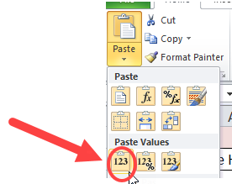
How to captalize the first letter of a title using formulas

Click in the orange highlighted cells to see formula - it is also in the text box so it is easier to read

Title | Formula to Captialize first letter
cricket on the Hearth | Cricket on the Hearth
curious Incident of the Dog in the Night-Time | Curious Incident of the Dog in the Night-Time

=REPLACE(A2,1,1,UPPER((LEFT(A2,1))))

* Insert a column to the right of title.
* Copy formula into column beside data to change - change Cell Reference (A2 in example) to correct cell reference for your data.
* Copy or fill formula down to other cells - cell reference should automatically update.
* Use Copy - Paste Values to paste new data back into Title coloumn. This ensures that the actual text is copied not the formula.
* You can now delete the column that containsthe formulas.

